Hall
 |  |  |  |  |  |  |  |  | Direct calculation of compressibility factor: The Hall-Yourborough Method

input |  | note that's not recommended if (Tpr) less than 1
 |  |  |  |  |  |  |  |  | Ahmed Emad Lotfy

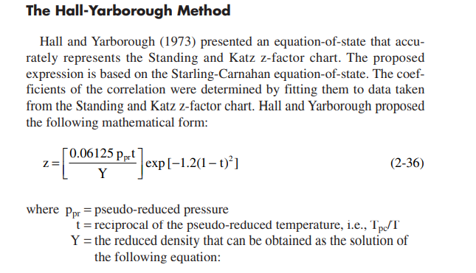
 |  | Ppr | 3.0035216291
 |  | Tpr | 1.4013215912
 |  | t | 0.71361206897 | Y | 0.16151198296
 |  | X1 | -0.11897482124
 |  | X2 | 7.1628635974
 |  | X3 | -43.20562449
 |  | X4 | 4.1923860345

 |  |  |  |  |  |  | z | 0.7366315431
 |  |  |  |  |  | Output

Iteration using newton raphson

Yk+1 | YK | F(Y) | F'(Y)
0.1358849443 | 0.024280575763 | -0.096415849511 | 0.86390748657
0.16399867199 | 0.1358849443 | -0.017635277575 | 0.62728350256
0.16126843226 | 0.16399867199 | 0.0018079842744 | 0.66220715283
0.16153626317 | 0.16126843226 | -0.00017592209976 | 0.65684016374
0.16150956614 | 0.16153626317 | 1.754919693E-05 | 0.65734637711
0.16151222357 | 0.16150956614 | -1.7467125933E-06 | 0.65729572213
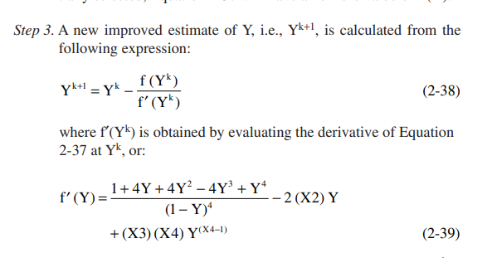
0.16151195901 | 0.16151222357 | 1.7389354192E-07 | 0.65730076237
0.16151198535 | 0.16151195901 | -1.7311541083E-08 | 0.65730026058
0.16151198272 | 0.16151198535 | 1.723411535E-09 | 0.65730031053
0.16151198298 | 0.16151198272 | -1.7157033433E-10 | 0.65730030556
0.16151198296 | 0.16151198298 | 1.7080333675E-11 | 0.65730030606
0.16151198296 | 0.16151198296 | -1.70032044E-12 | 0.65730030601
0.16151198296 | 0.16151198296 | 1.69260439E-13 | 0.65730030601
0.16151198296 | 0.16151198296 | -1.685804274E-14 | 0.65730030601
0.16151198296 | 0.16151198296 | 1.5612511284E-15 | 0.65730030601
0.16151198296 | 0.16151198296 | -3.469446952E-17 | 0.65730030601
0.16151198296 | 0.16151198296 | 0 | 0.65730030601

Abu-Kasem
 |  |  |  |  |  |  |  | Ahmed Emad Lotfy | The Dranchuck-Abu-Kasem Method

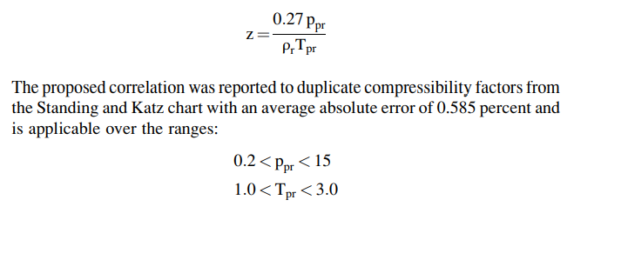

 |  |  |  | Yr | 0.81465844605
 |  |  |  |  |  |  | Z | 0.71036433669


 |  |  |  |  |  | Note for the previous input
 |  |  |  | R1 | -0.63657436795
 |  |  |  | R2 | 0.57870430666
 |  |  |  | R3 | 0.11611441494
 |  |  |  | R4 | -0.045554317782
 |  |  |  | R5 | 0.22291039988

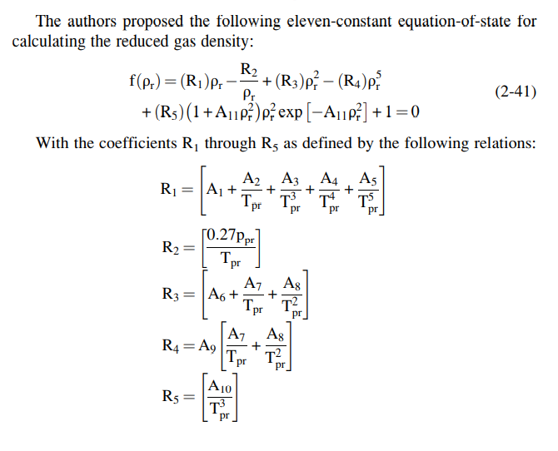

Iteration using newton raphson

YrK+1 | YrK | f(Yr) | f'(Yr)
0.761030594 | 0.57870430666 | -0.2537483434 | 1.3917265969
0.82500182513 | 0.761030594 | -0.045456270836 | 0.71057364426
0.81083876487 | 0.82500182513 | 0.008265502245 | 0.58359578317
0.81591918386 | 0.81083876487 | -0.0030894573278 | 0.60811073603
0.81422454853 | 0.81591918386 | 0.0010152446336 | 0.59909327926
0.81480573693 | 0.81422454853 | -0.00034991789597 | 0.60207309516
0.81460820858 | 0.81480573693 | 0.00011872401992 | 0.60104798918
0.81467555271 | 0.81460820858 | -4.0500497077E-05 | 0.60139602183
0.81465261712 | 0.81467555271 | 1.3790650357E-05 | 0.60127732288
0.81466043119 | 0.81465261712 | -4.6987367908E-06 | 0.60131774356
0.8146577693 | 0.81466043119 | 1.6006076016E-06 | 0.60130397181
0.81465867612 | 0.8146577693 | -5.4528077587E-07 | 0.60130866315
0.8146583672 | 0.81465867612 | 1.8575681204E-07 | 0.60130706495
0.81465847244 | 0.8146583672 | -6.3280947815E-08 | 0.6013076094
0.81465843658 | 0.81465847244 | 2.1557577279E-08 | 0.60130742392
0.8146584488 | 0.81465843658 | -7.3439101467E-09 | 0.60130748711
0.81465844464 | 0.8146584488 | 2.5018118688E-09 | 0.60130746558
0.81465844605 | 0.81465844464 | -8.5227958024E-10 | 0.60130747292

